Sheet1
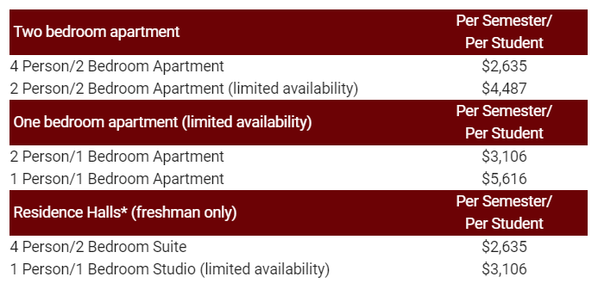
Fall 2022-Spring 2023 Undergraduate Cost Estimator Worksheet

RN to BSN, RTT to BSRT - see Bursar / Tuition Rates and Fees for your rates.

To find your estimated cost, fill in the green boxes that apply to your schedule.
Tuition and Books | Credit hours | Fall | Total
Undergraduate Tuition - Indiana Resident Rate |  | $280.51 | $0.00
Undergraduate Tuition - Non-Resident Rate |  | $681.99 | $0.00
Archie's Book Bundle - $24.00 per credit hour |  | $24.00 | $0.00

Additional costs
University Services Fee - Required |  |  | $30.00
Transportation and Parking Fee - Required |  |  | $145.00
Counseling Fee - Required |  |  | $55.00
Student Activity Fee - Required |  |  | $100.00
New Student Fees (Matriculation, Enrollment, Assessment fee) Required for Freshman $475.00 |  |  | $-
Online Learning Fee - per online course $50.00 |  |  | $-
Hybrid Learning Fee - per Hybrid course $25.00 |  |  | $-
Lab Fees - Pott College $75.00 per course. All other Colleges $50.00 per course. |  |  | $-
Program Fees - Check with your program. |  |  | $-
Deaconess Office Visit Plan - Required for USI Campus Housing Residents $75.00 |  |  | $-
USI Campus Housing - See chart below for pricing. |  |  | $-
Housing Student Activity Fee - Required for USI Campus Housing Residents $25.00 |  |  | $-
Meal Plan - Eagle Plans, only required in the dorms $2395.00 |  |  | $-
Total Charges |  |  | $330.00

